Sheet1
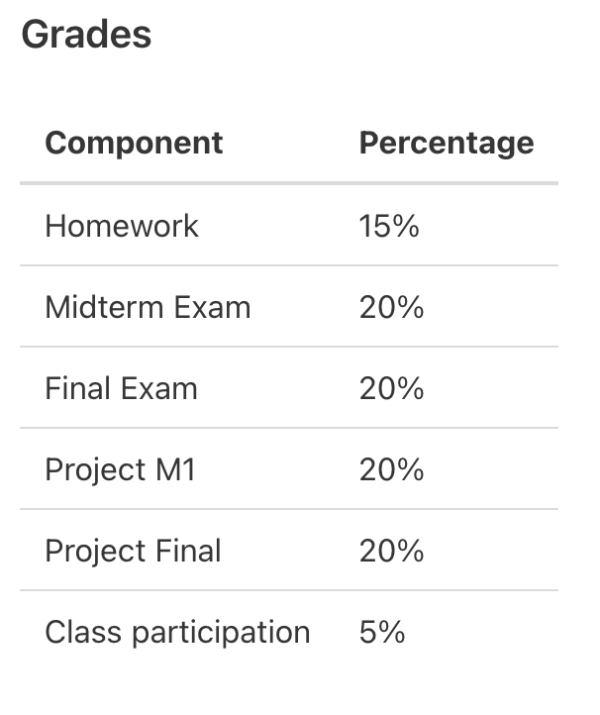

Component | Score Raw | Max | Score | Weight
HW1 | 88 | 100 | 0.88
HW2 | 100 | 100 | 1
HW3 | 80 | 100 | 0.8
HW Total | 268 | 300 | 0.89333333333 | 0.15

Midterm Exam | 81.5 | 100 | 0.815 | 0.2
Final Exam | 79 | 100 | 0.79 | 0.2

Project | 100 | 100 | 1 | 0.4

Class Participation | 0 | 100 | 0 | 0.05

Total |  |  | 0.855

